实时库存
MSKU | Description | Image | address | QTY | Retail Link
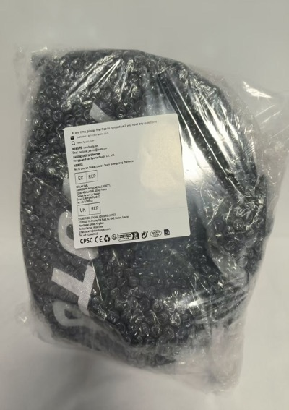
SeaFB-BH-Black-Med | Favoto Bike Helmet Bicycle Helmet Lightweight Cycle Helmet for Adult Men Women Cycling Road Mountain Bike MTB Helmet Safety Protection Adjustable Size - Black Medium | 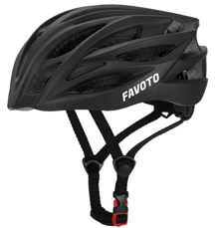 | US fba | 590 | Amazon Soldout 4.4 ratings; 220 reviews
SeaFB-BH-Matte Black | Favoto Bike Helmet Bicycle Helmet Lightweight Cycle Helmet for Adult Men Women Cycling Road Mountain Bike MTB Helmet Safety Protection Adjustable Size - Matte Black Large | 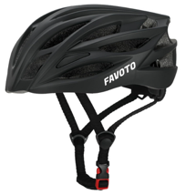 | US fba | 755 | Amazon $21.70 4.4 ratings; 1,281 reviews
SeaFB-BH-Titanium-New | Favoto Bike Helmet Bicycle Helmet Lightweight Cycle Helmet for Adult Men Women Cycling Road Mountain Bike MTB Helmet Safety Protection Adjustable Size - Titanium Large | 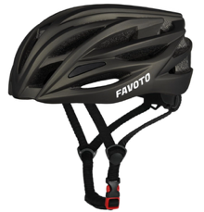 | US fba | 514 | Amazon $18.27 4.4 ratings; 1,281 reviews
SeaFB-BH-Carbon | Favoto Bike Helmet Bicycle Helmet Lightweight Cycle Helmet for Adult Men Women Cycling Road Mountain Bike MTB Helmet Safety Protection Adjustable Size- Carbon Large | 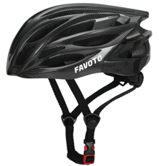 | US fba | 552 | Amazon $22.84 4.4 ratings; 1,281 reviews | 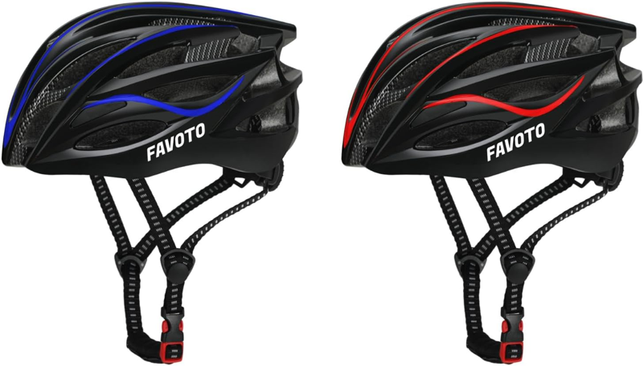
SeaFB-BH-Matt Gray | Favoto Bike Helmet Bicycle Helmet Lightweight Cycle Helmet for Adult Men Women Cycling Road Mountain Bike MTB Helmet Safety Protection Adjustable Size - Matt Gray Large | 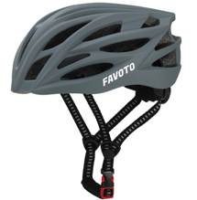 | US fba | 247 | Amazon $19.41 4.4 ratings; 1,281 reviews
SeaFB-BH-Blue | Favoto Bike Helmet Bicycle Helmet Lightweight Cycle Helmet for Adult Men Women Cycling Road Mountain Bike MTB Helmet Safety Protection Adjustable Size - Blue Large | 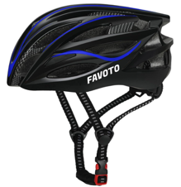 | US fba | 702 | Amazon $18.27 4.4 ratings; 1,281 reviews
SeaFB-BH-Blue-M | Favoto Bike Helmet Bicycle Helmet Lightweight Cycle Helmet for Adult Men Women Cycling Road Mountain Bike MTB Helmet Safety Protection Adjustable Size - Blue Medium |  | US fba | 84
SeaFB-BH-Red | Favoto Bike Helmet Bicycle Helmet Lightweight Cycle Helmet for Adult Men Women Cycling Road Mountain Bike MTB Helmet Safety Protection Adjustable Size - Red Large | 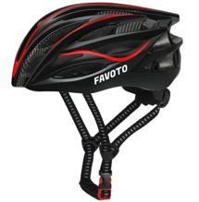 | US fba | 270 | Amazon $19.61 4.4 ratings; 1,281 reviews
SeaFB-BH-Yellow | Favoto Bike Helmet Bicycle Helmet Lightweight Cycle Helmet for Adult Men Women Cycling Road Mountain Bike MTB Helmet Safety Protection Adjustable Size - Yellow Large | 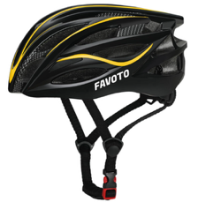 | US fba | 149 | Amazon $14.84 4.4 ratings; 1,281 reviews
SeaFB-BH-Brim-Blk | Adult Bike Helmet with Rear Light, EPS Foam, Adjustable Dial, Removable Visor - CPSC 1203 Certified Lightweight Bicycle Helmet for Urban-Commute, Road & MTB for Men/Women with Brim - Black Medium | 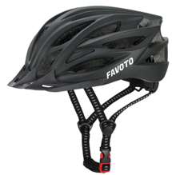 | US fba | 137 | Amazon $32.99 4.1 ratings; 19 reviews
SeaFB-BH-Brim-Carbon | Adult Bike Helmet with Rear Light, EPS Foam, Adjustable Dial, Removable Visor - CPSC 1203 Certified Lightweight Bicycle Helmet for Urban-Commute, Road & MTB for Men/Women - Carbon Fiber Medium | 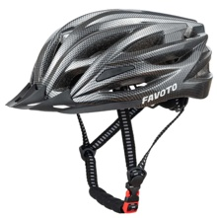 | US fba | 149 | Amazon $32.99 4.1 ratings; 19 reviews
total unit's |  |  |  | 4,149

